Questions
Use the data in the Transactions worksheet to answer the questions below |  |  | Question 2:
The data represents the sales transactions for trainings conducted in the fiscal years 2016 |  |  | In the Report worksheet. create a summary showing the total revenue generated per program
and 2017 for Ruku Analytics Ltd. |  |  | for each of the two years and present the same in a chart similar to the one shown below
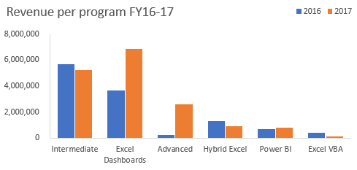
Question 1:
Use a function/formula to populate the following columns:
 | a) | Unit Price -this is based on the price matrix per program given on the Transactions worksheet
 | b) | Sales Amount
 | c) | Year & Month columns based on the transaction date
 | d) | Customer Loading column. This should combine the client code and the client name as shown
 |  | in the image below
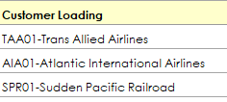

 |  |  | Question 3:
 |  |  | From the chart created in question 2, the share of Power BI is marginal.
 |  |  | The products manager of DC Analytics Ltd feels if efforts are enhanced this program has the
 |  |  | potential to be a main revenue earner.
 |  |  | Please advise the manager on some of the strategies he can implement to achieve this goal. Type your thoughts below
 |  |  | Should implement the same strategy as in intermediate.

Report
REVENUE PER PROGRAM FY 16-17
 | 2016 | 2017

